Sheet1
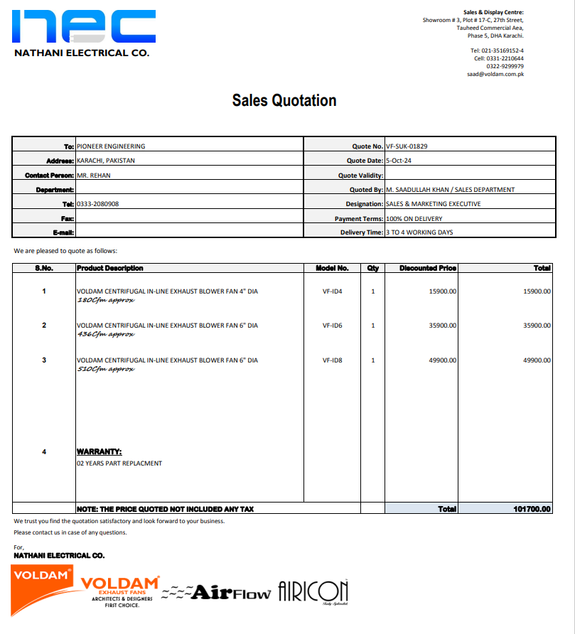


M/S IK Associates |  |  |  |  |  |  |  | 2024-10-05

Project: DHL Office, Fortune Center, Karachi

Attn: Mr. Taha Ghaznavi

Variation order No 4
Variation order for Fans

S. # | Description | Material Rate | Labour Rate | Over Head profit 28% | Total Rates | Unit | Qty | Amount
1 | Supply and installation of ceiling exhaust fan 8" Dia | 35,900 | 10,000 | 12,852 | 58,752 | No | 1 | 58,752
2 | Supply and installation of ceiling exhaust fan 10" Dia | 49,900 | 10,000 | 16,772 | 76,672 | No | 1 | 76,672
Total Amount Rs. |  |  |  |  |  |  |  | 135,424

Note: Vendor quotation attached

Thanking you,

For PIONEER ENGINEERING SERVICES.

Bilal Habib

